API updates
API updates

4.16 | July 2020?

4.13
 | Dojo | 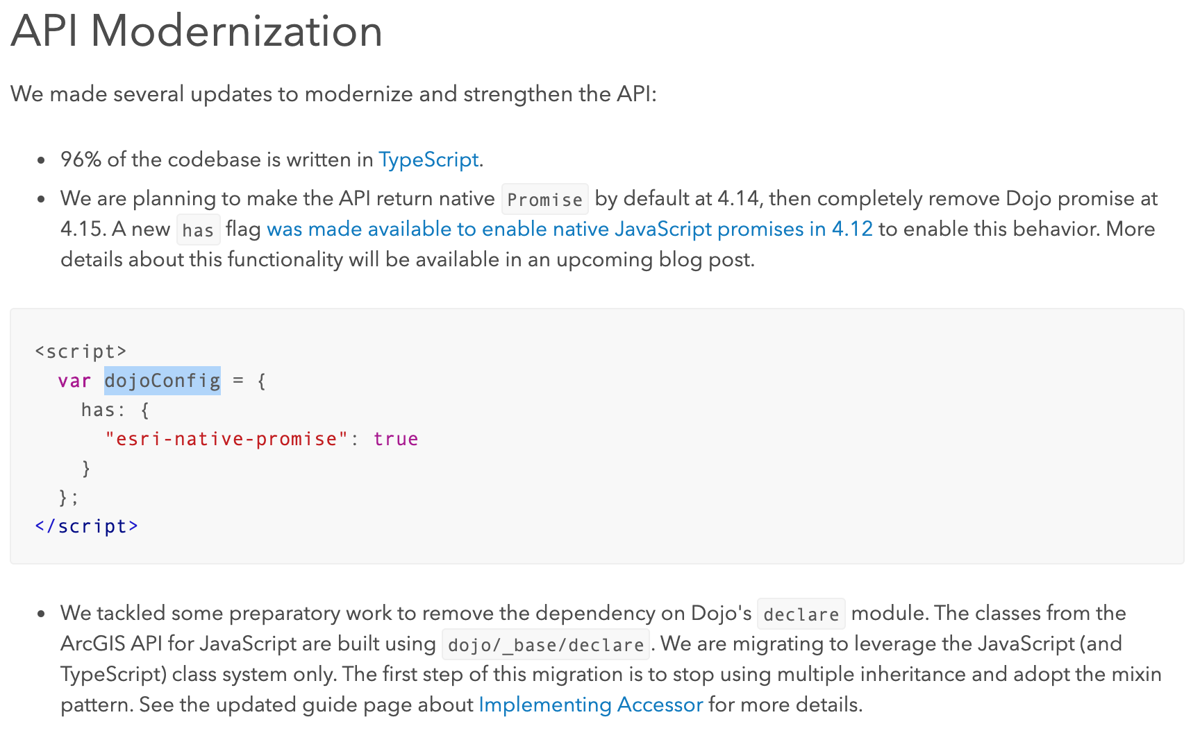

 | Swipe widget
 | Bookmark editing | 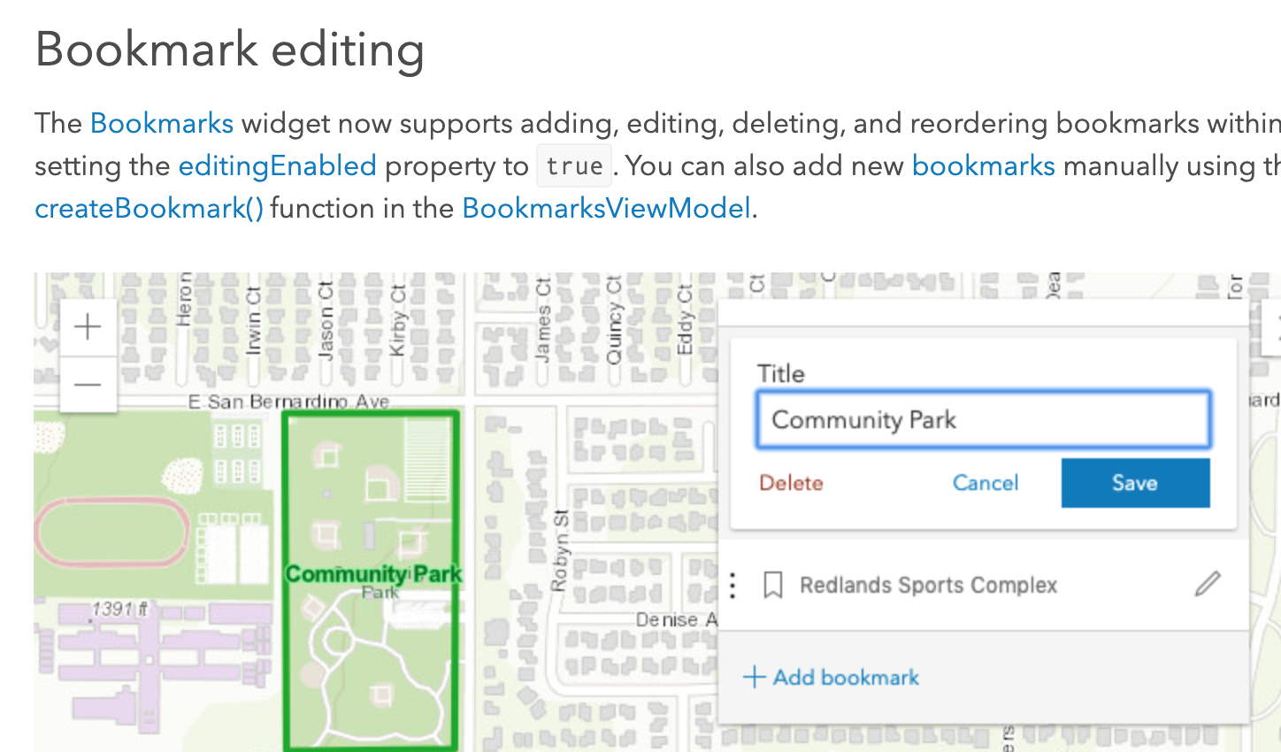
4.12
 | AbortSignal
 | Slider widgets | 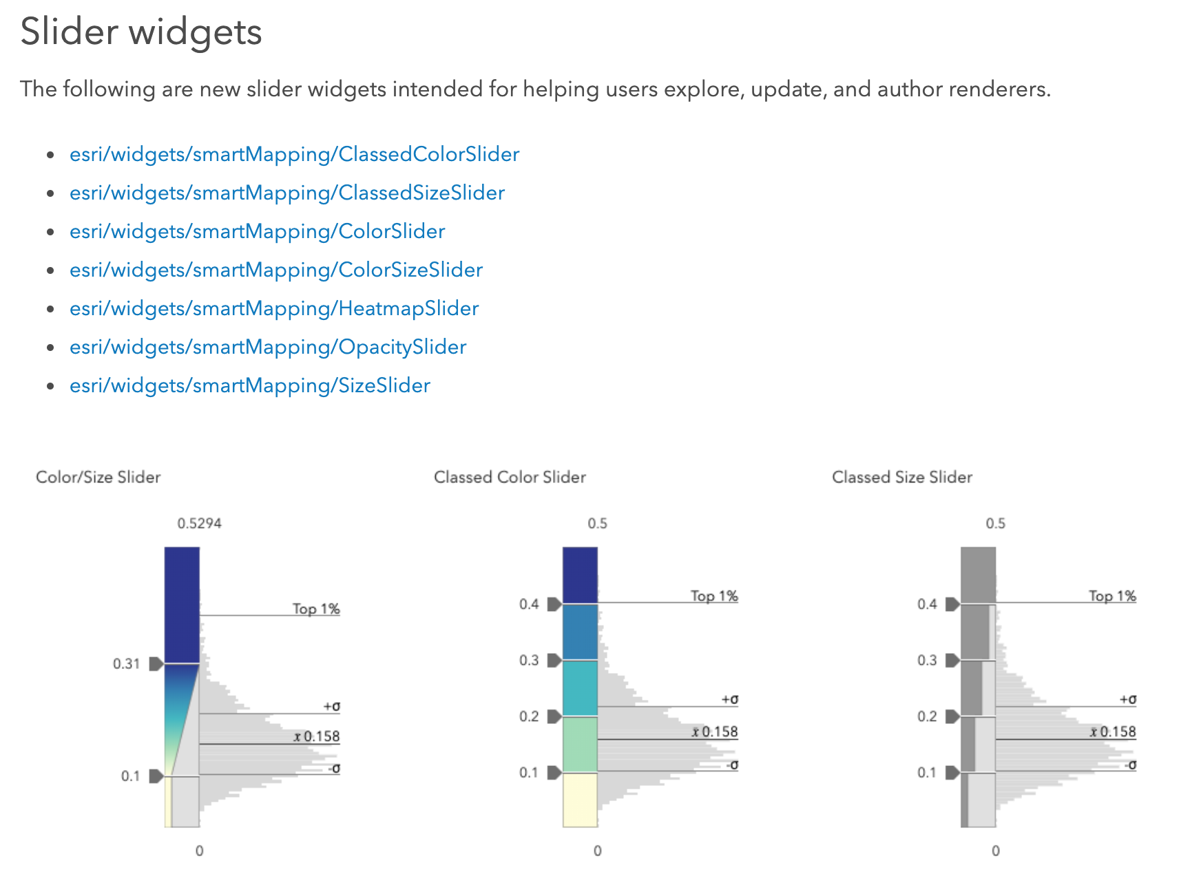

filter on MP4_Seconds_binary
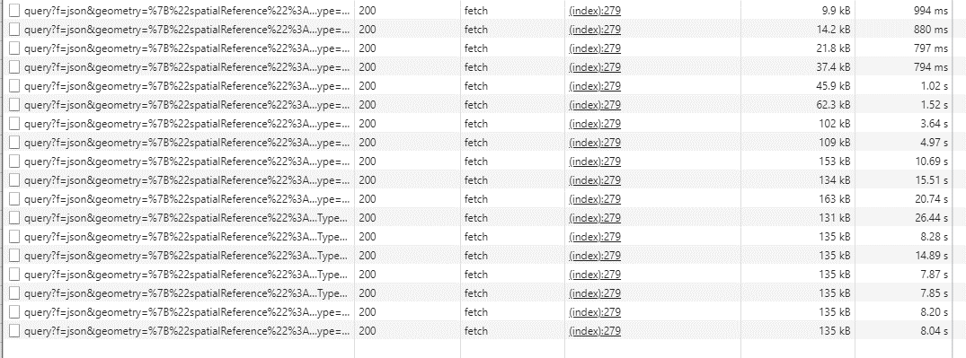
Tee Harbor

nearly full extent

SZ point regeneration rethink
